Список дефектов
№ | Краткое описание | Подробное описание | Шаги воспроизведения | Воспроизводимость | Важность | Срочность | Симптом
1 | Encoding issues | Text is not displayed correctly with disabled "Use Unicode UTF-8 for worldwide language support" option (displayed as "??????????") (Pic. 1). After enabling Unicode option some messages still showing incorrectly (Pic. 5) | 1. Run application on Windows 10 single language with disabled "Use Unicode UTF-8 for worldwide language support" option | Sometimes | Critical | ASAP | Localization issue
2 | Incorrect preview in taskbar | Taskbar preview displays About dialog preview after it`s closing (Pic. 3) | 1. Run application 2. Click "About" menu item 3. Close "About" dialog 4. Move cursor over application icon in taskbar | Sometimes | Minor | Low | Cosmetic Flaw
3 | Short title bar | Application title "Calculator" not displayed completely in Basic mode and app cannot be resized | 1. Run application | Always | Medium | Normal | Cosmetic Flaw
4 | Typo in "опрограмме" | "опрограмме" menu item should be "О программе" | 1. Run application | Always | Medium | Normal | Localization issue
5 | Encoding issues in "About" dialog | Incorrect encoding in "About" dialog (Pic. 2) | 1. Run application 2. Click "About" menu item | Always | Major | High | Localization issue
6 | "About" dialog text box doesn`t fit all text | "About" dialog text box doesn`t fit all text | 1. Run application 2. Click "About" menu item | Always | Medium | Normal | Cosmetic Flaw
7 | Buttons "+/-", "9" and "<" are not in focus scope | Buttons "+/-", "9" and "<" are skipped during iteration through with Tab button | 1. Run application 2. Press Tab button several times to iterate through buttons | Always | Minor | Low | Unfriendly behavior
8 | "<" meaning is unclear | "<" button logically perceived as "less than" operation, not as "backspace" | 1. Run application 2. Type number 3. Click "<" button | Always | Medium | Normal | Unfriendly behavior
9 | Cannot chain operations | When calculating only last operation and two last operands are taken into account. Maybe chain calculations are not required but this isn`t intuitive behavior | 1. Run application 2. Type number 3. Click some operation button 4. Type number 5. Click some operation button 6. Type number 7. Click "=" button | Always | Medium | Normal
10 | Button "9" is disabled | Button "9" is disabled and cannot be pressed | 1. Run application 2. Click "9" button | Always | Critical | ASAP | Cosmetic Flaw
11 | Button "2" is different from other | Button "2" is different from other (UI) | 1. Run application | Always | Minor | Low | Cosmetic Flaw
12 | Button "0." is different from other | Button "0." has dot at the end that makes it different (UI) and doesn`t matter - dot isn`t inserted in field after clicking | 1. Run application 2. Click "0." button | Always | Minor | Low | Cosmetic Flaw
13 | Cannot select text with Ctrl+A | Text in input field cannot be selected with Ctrl+A shortcut while other shortcuts (e.g. Ctrl+Z) are working correctly | 1. Run application 2. Type number 3. Press Ctrl+A keyboard buttons | Always | Minor | Low | Unfriendly behavior
14 | Button "8" has meaningless tooltip | When moving cursor over "8" button there is tooltip with meaningless character sequence | 1. Run application 2. Move cursor over "8" button | Always | Minor | Low | Cosmetic Flaw
15 | Button "," is useless | Number are parsed with dot (.) as floating point character, not comma, so this button is useless | 1. Run application 2. Type number whole part 3. Click "," button 4. Type number fractional part 5. Click operation button | Always | Major | High | Localization issue
16 | No error sound after division by zero | Some errors play error sound, division by zero is not | 1. Run application 2. Type number 3. Click "/" button 4. Type 0 5. Click "=" button | Always | Minor | Low | Cosmetic Flaw
17 | Exception when clicking on empty space | When clicking not on button or number panel (empty space on layout) - some exception occurred and application crashed (Pic. 4) | 1. Run application 2. Click on space that is not button, number panel or input field | Always | Critical | ASAP | Unexpected behavior, System crash
18 | Handle numbers with dot at the end | Numbers with dot at the end (e.g. "12345.") raise error after operation applying but still handled as whole numbers | 1. Run application 2. Type number 3. Type "." 4. Click "=" button | Always | Medium | Normal | Unexpected behavior
19 | Handle numbers with dot at the beginning | Numbers with dot at the beginning (e.g. ".12345") raise error after operation applying but still handled as fractional numbers (e.g. "0.12345") | 1. Run application 2. Type "." 3. Type number 4. Click "=" button | Always | Medium | Normal | Unexpected behavior
20 | No error sound after clicking "=" button without operations | Some errors play error sound, calculation with empty field is not | 1. Run application 2. Type number 3. Click "=" button | Always | Minor | Low | Cosmetic Flaw
21 | Wrong title of "not valid fp value" error dialog | When typing not valid floating point number (e.g. "asd") there is error dialog with title "calc" but not "Error" as other errors | 1. Run application 2. Type not valid fp number (e.g. some string) 3. Click "=" button | Always | Minor | Low | Cosmetic Flaw
22 | Non-Russian "not valid fp value" error text | "'…' is not a valid floating point value" not in Russian like rest of UI | 1. Run application 2. Type not valid fp number (e.g. some string) 3. Click "=" button | Always | Medium | Normal | Localization issue
23 | Performing action after clicking "=" button without operations and following error dialog | It`s assumed that after error no action occurs and application will allow to correct the error | 1. Run application 2. Type number 3. Click "=" button 4. Click "Ok" button | Always | Medium | Normal | Unfriendly behavior
24 | Modes don`t make sense | Modes don`t provide useful features after enabling, only change UI a little | 1. Run application 2. Click "Выбор" button 3. Select some menu item 4. Click "Выбор" button 5. Select other mode | Always | Major | High | Incorrect operation
25 | No current mode indicator | Current mode doesn`t indicates somehow. Initial application state differs from other modes but there is no way to return back to initial mode after some mode activation | 1. Run application 2. Click "Выбор" button 3. Select some menu item 4. Click "Выбор" button | Always | Medium | Normal | Cosmetic Flaw
26 | Text inserted in input field after calculation | After calculation inserting resulting number into input field is expected so user can continue calculations with result. Instead, user required to remove text part to continue calculations every time | 1. Run application 2. Type number 3. Click some operation button 4. Type number 5. Click some operation button 6. Click "=" button | Always | Critical | High | Unfriendly behavior
27 | Focus loss | After clicking some button user loses input field focus and can`t type with keyboard | 1. Run application 2. Click some button | Always | Medium | Normal | Cosmetic Flaw
28 | Operations on keyboard | User can`t apply operations with keyboard, can only type digits, dot and clear symbols | 1. Run application 2. Type operation symbol on keyboard | Always | Medium | Low | Unfriendly behavior
29 | Unrelated application icon | Application icon makes no sense | 1. Run application | Always | Minor | Low | Cosmetic Flaw
30 | Input field symbol filtering | User can type every text in input field without every filtering, it causes converting errors | 1. Run application 2. Type any string with keyboard | Always | Medium | Normal | Unfriendly behavior
31 | Application not like standard Windows calculator | Application differs from standard Windows calculator with UI and calculation flow as required | 1. Run application | Always | Medium (depends on requirement importance) | Normal | Variance from specs
32 | Can`t save calculations | User can`t save performed calculations as required | 1. Run application | Always | Medium (depends on requirement importance) | Normal | Variance from specs, Missing feature
33 | Can`t use in different language | User can`t use application in different languages as required | 1. Run application | Always | Medium (depends on requirement importance) | Normal | Variance from specs, Missing feature
34 | Can`t draw plots | User can`t draw plots in application as required | 1. Run application | Always | Medium (depends on requirement importance) | Normal | Variance from specs, Missing feature
35 | Application doesn`t ask for confirmation before exiting | Application doesn`t ask for confirmation of exiting without saving before exiting as required | 1. Run application 2. Close application | Always | Medium (depends on requirement importance) | Normal | Variance from specs, Missing feature

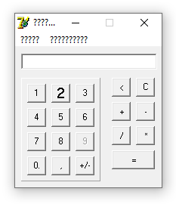
 | Pic. 1

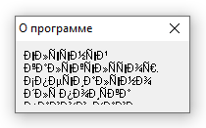
 | Pic. 2

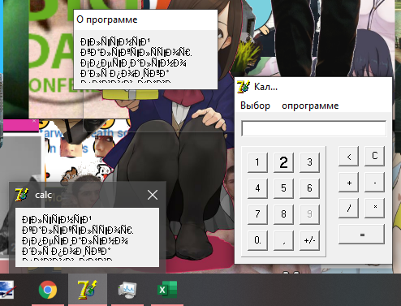
 | Pic. 3

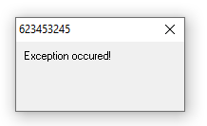
 | Pic. 4

 | Pic. 5

